GERAN50
Instancia | INST | tamanho_clientes | nos_rede | veiculos | capacidade | tempo_bp | fo_exato | fo_bp | nos_bp | colunas_bp |  |  |  | LITERATURA |  |  |  |  |  |  | BP X LITERATURA
 |  |  |  |  |  |  |  |  |  |  |  |  |  | Instance | Tempo | UB | LB | Nodes |  |  | Instance | Tempo | UB | LB | Nodes |  | Instancia | Veiculos | FO_Best | FO_SCG | Gap | Colunas | Tempo
tam50_cap200_tabu0_inst0_cons10 | instancias/c101N,txt | 50 | 52 | 5 | 200 | 1146.2407 | 362.4 | 362.4 | 1 | 2561 | False | 0 |  | C101-50 | 1.28 | 362.4 | 362.4 | 1 |  |  | C101-50 | 8.96E+02 | 0.00% |  |  |  | C101-50 | 5 | 362.4 | 363.2 | 0.23% | 176 | 4.4 | -0.8
tam50_cap200_tabu0_inst1_cons10 | instancias/c102,txt | 50 | 52 | 5 | 200 | 3503.2888 | 361.4 | 361.4 | 1 | 5454 | False | 0 |  | C102-50 | 1.31 | 362.4 | 362.4 | 1 |  |  | C102-50 | 2.67E+03 | -0.28% |  |  |  | C102-50 | 5 | 361.4 | 362.2 | 0.21% | 1457 | 181.5 | -0.8
tam50_cap200_tabu0_inst2_cons10 | instancias/c103,txt | 50 | 52 | 5 | 200 | 10996.0544 | -1 | -1 | 0 | 0 | False | 0 |  | C103-50 | 2.79 | 362.4 | 362.4 | 1 |  |  | C103-50 | 3.94E+03 | -100.28% |  |  |  | C103-50 | 5 | 361.4 | 355.5 | 1.65% | 1556 | 422.1 | 5.9
C104-50 | C104-50 | 50 | 52 | 5 | 200 |  |  |  |  |  |  |  |  | C104-50 | 2.38 | 362.4 | 362.4 | 1 |  |  | C104-50 | 0.00E+00 | -100.00% |  |  |  | C104-50 | 5 | 358 | 350.5 | 2.13% | 1127 | 583.3 | 7.5
C105-50 | C105-50 | 50 | 52 | 5 | 200 |  |  |  |  |  |  |  |  | C105-50 | 5.91 | 362.4 | 362.4 | 1 |  |  | C105-50 | 0.00E+00 | -100.00% |  |  |  | C105-50 | 5 | 362.4 | 362 | 0.10% | 256 | 12.4 | 0.4
C106-50 | C106-50 | 50 | 52 | 5 | 200 |  |  |  |  |  |  |  |  | C106-50 | 0.72 | 1044 | 1043.3 | 3 |  |  | C106-50 | 0.00E+00 | -100.00% |  |  |  | C106-50 | 5 | 362.4 | 363.2 | 0.23% | 507 | 17.7 | -0.8
C107-50 | C107-50 | 50 | 52 | 5 | 200 |  |  |  |  |  |  |  |  | C107-50 | 0.76 | 909 | 909 | 1 |  |  | C107-50 | 0.00E+00 | -100.00% |  |  |  | C107-50 | 5 | 362.4 | 362 | 0.10% | 1818 | 127.8 | 0.4
C108-50 | C108-50 | 50 | 52 | 5 | 200 |  |  |  |  |  |  |  |  | C108-50 | 5.84 | 772.9 | 769.2 | 15 |  |  | C108-50 | 0.00E+00 | -100.00% |  |  |  | C108-50 | 5 | 362.4 | 362 | 0.10% | 1260 | 120.6 | 0.4
C109-50 | C109-50 | 50 | 52 | 5 | 200 |  |  |  |  |  |  |  |  | C109-50 | 5.01 | 629.4 | 619.1 | 211 |  |  | C109-50 | 0.00E+00 | -100.00% |  |  |  | C109-50 | 5 | 362.4 | 360 | 0.66% | 975 | 161 | 2.4
R101-50 | R101-50 | 50 | 52 | 12 | 200 |  |  |  |  |  |  |  |  | R101-50 | 5.51 | 903.7 | 892.1 | 25 |  |  | R101-50 | 0.00E+00 | -100.00% |  |  |  | R101-50 | 12 | 1044 | 1046.7 | 0.26% | 330 | 1 | -2.7
R102-50 | R102-50 | 50 | 52 | 11 | 200 |  |  |  |  |  |  |  |  | R102-50 | 5.06 | 793 | 791.3 | 3 |  |  | R102-50 | 0.00E+00 | -100.00% |  |  |  | R102-50 | 11 | 909 | 911.4 | 0.27% | 675 | 12.1 | -2.4
R103-50 | R103-50 | 50 | 52 | 9 | 200 |  |  |  |  |  |  |  |  | R103-50 | 17 | 711.1 | 707.2 | 17 |  |  | R103-50 | 0.00E+00 | -100.00% |  |  |  | R103-50 | 9 | 772.9 | 769.8 | 0.40% | 621 | 24.1 | 3.1
R104-50 | R104-50 | 50 | 52 | 6 | 200 |  |  |  |  |  | 72 |  |  | R104-50 | 21000 | 622.2 | 594.7 | 14049 |  |  | R104-50 | 0.00E+00 | -100.00% |  |  |  | R104-50 | 6 | 625.4 | 620.6 | 0.77% | 728 | 53.4 | 4.8
R105-50 | R105-50 | 50 | 52 | 9 | 200 |  |  |  |  |  | 62 |  |  | R105-50 | 74.27 | 790.4 | 775.3 | 297 |  |  | R105-50 | 0.00E+00 | -100.00% |  |  |  | R105-50 | 9 | 899.3 | 911 | 1.29% | 427 | 3.8 | -11.7
R106-50 | R106-50 | 50 | 52 | 6 |  |  |  |  |  |  | 62 |  |  | R106-50 | 14.65 | 697 | 695.1 | 13 |  |  | R106-50 | 0.00E+00 | -100.00% |  |  |  | R106-50 | 6 | 793 | 831.2 | 4.59% | 608 | 14.9 | -38.2
R107-50 | R107-50 | 50 | 52 | 7 |  |  |  |  |  |  | 196 |  |  | R107-50 | 5.22 | 714.4 | 696.3 | 13 |  |  | R107-50 | 0.00E+00 | -100.00% |  |  |  | R107-50 | 7 | 711.1 | 716.6 | 0.76% | 649 | 28.6 | -5.5
R108-50 | R108-50 | 50 | 52 | 6 |  |  |  |  |  |  |  |  |  | R108-50 | 1444 | 636.9 | 614.8 | 1695 |  |  | R108-50 | 0.00E+00 | -100.00% |  |  |  | R108-50 | 6 | 617.7 | 606.3 | 1.88% | 768 | 59.1 | 11.4
R109-50 | R109-50 | 50 | 52 | 8 |  |  |  |  |  |  |  |  |  | R109-50 | 21600 | 990.1 | 850 | 100773 |  |  | R109-50 | 0.00E+00 | -100.00% |  |  |  | R109-50 | 8 | 786.8 | 784 | 0.36% | 431 | 9 | 2.8
R110-50 | R110-50 | 50 | 52 | 7 |  |  |  |  |  |  |  |  |  | R110-50 | 21600 | 840.1 | 721.8 | 27090 |  |  | R110-50 | 0.00E+00 | -100.00% |  |  |  | R110-50 | 7 | 697 | 702 | 0.71% | 456 | 17.1 | -5
R111-50 | R111-50 | 50 | 52 | 7 |  |  |  |  |  |  |  |  |  | R111-50 | 21600 | 737 | 645.2 | 4162 |  |  | R111-50 | 0.00E+00 | -100.00% |  |  |  | R111-50 | 7 | 707.2 | 698.5 | 1.25% | 568 | 25.1 | 8.7
R112-50 | R112-50 | 50 | 52 | 6 |  |  |  |  |  |  |  |  |  | R112-50 | 32.54 | 545.8 | 545.8 | 1 |  |  | R112-50 | 0.00E+00 | -100.00% |  |  |  | R112-50 | 6 | 630.2 | 616.7 | 2.19% | 480 | 29.6 | 13.5
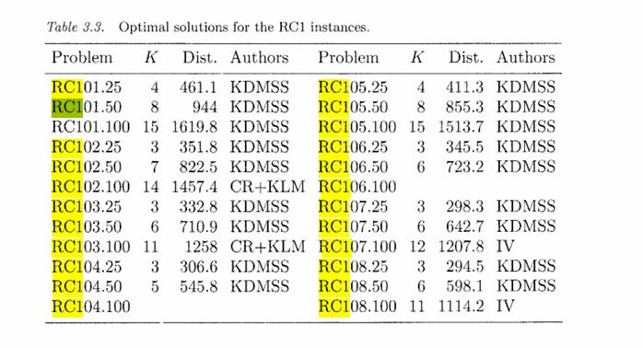
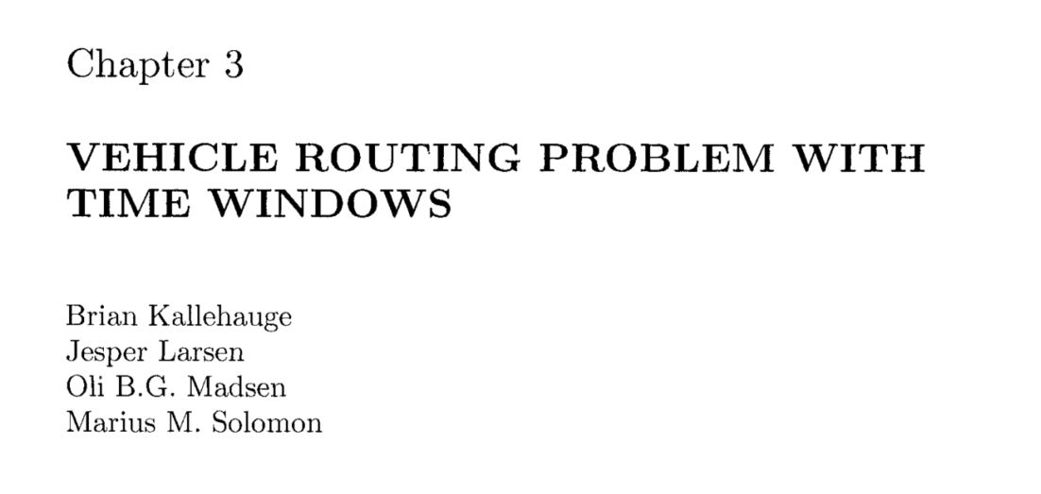
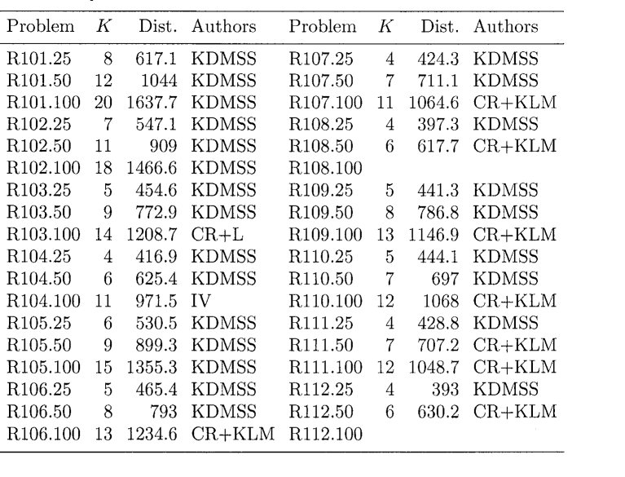
RC101-50 | RC101-50 | 50 | 52 | 8 | 200 |  |  |  |  |  |  |  |  | RC101-50 | 21600 | 885.6 | 761.5 | 14840 |  |  | RC101-50 | 0.00E+00 | -100.00% |  |  |  | RC101-50 | 8 | 944 | 874.8 | 7.91% | 343 | 2.2 | 69.2
RC102-50 | RC102-50 | 50 | 52 | 7 | 200 |  |  |  |  |  |  |  |  | RC102-50 | 4603 | 741.4 | 664.4 | 4841 |  |  | RC102-50 | 0.00E+00 | -100.00% |  |  |  | RC102-50 | 7 | 822.5 | 765.9 | 7.40% | 472 | 7.4 | 56.6
RC103-50 | RC103-50 | 50 | 52 | 6 | 200 |  |  |  |  |  |  |  |  | RC103-50 | 21600 | 642.7 | 603.5 | 9087 |  |  | RC103-50 | 0.00E+00 | -100.00% |  |  |  | RC103-50 | 6 | 710.9 | 671 | 5.94% | 687 | 21.2 | 39.9
RC104-50 | RC104-50 | 50 | 52 | 5 | 200 |  |  |  |  |  |  |  |  | RC104-50 | 21600 | 598.1 | 541.1 | 4595 |  |  | RC104-50 | 0.00E+00 | -100.00% |  |  |  | RC104-50 | 5 | 545.8 | 544 | 0.33% | 790 | 40.3 | 1.8
RC105-50 | RC105-50 | 50 | 52 | 8 | 200 |  |  |  |  |  |  |  |  | RC105-50 |  |  |  |  |  |  | RC105-50 | #DIV/0! | #DIV/0! |  |  |  | RC105-50 | 8 | 855.3 | 813.8 | 5.10% | 480 | 7.2 | 41.5
RC106-50 | RC106-50 | 50 | 52 | 6 | 200 |  |  |  |  |  |  |  |  | RC106-50 |  |  |  |  |  |  | RC106-50 | #DIV/0! | #DIV/0! |  |  |  | RC106-50 | 6 | 723.2 | 684 | 5.73% | 410 | 6.2 | 39.2
RC107-50 | RC107-50 | 50 | 52 | 6 | 200 |  |  |  |  |  |  |  |  | RC107-50 |  |  |  |  |  |  | RC107-50 | #DIV/0! | #DIV/0! |  |  |  | RC107-50 | 6 | 642.7 | 624.6 | 2.90% | 520 | 14.6 | 18.1
RC108-50 | RC108-50 | 50 | 52 | 6 | 200 |  |  |  |  |  |  |  |  | RC108-50 |  |  |  |  |  |  | RC108-50 | #DIV/0! | #DIV/0! |  |  |  | RC108-50 | 6 | 598.1 | 591.1 | 1.18% | 613 | 24.6 | 7
C201-50 | C201-50 | 50 | 52 | 3 |  |  |  |  |  |  |  |  |  | C201-50 |  |  |  |  |  |  |  |  |  |  |  |  | C201-50 | 3 | 360.2 | 361.8 | 0.44% | 3189 | 220.8 | -1.6
C202-50 | C202-50 | 50 | 52 | 3 |  |  |  |  |  |  |  |  |  | C202-50 |  |  |  |  |  |  |  |  |  |  |  |  | C202-50 | 3 | 360.2 | 361.8 | 0.44% | 5460 | 2551.6 | -1.6
C203-50 | C203-50 | 50 | 52 | 3 |  |  |  |  |  |  |  |  |  | C203-50 |  |  |  |  |  |  |  |  |  |  |  |  | C203-50 | 3 | 359.8 | 361.4 | 0.45% | 5782 | 5609.6
C204-50 | C204-50 | 50 | 52 | 2 |  |  |  |  |  |  |  |  |  | C204-50 |  |  |  |  |  |  |  |  |  |  |  |  | C204-50 | 2 | 350.1 | 351.7 | 0.46% | 6820 | 12752.4
C205-50 | C205-50 | 50 | 52 | 3 |  |  |  |  |  |  |  |  |  | C205-50 |  |  |  |  |  |  |  |  |  |  |  |  | C205-50 | 3 | 359.8 | 360.8 | 0.28% | 5545 | 759
C206-50 | C206-50 | 50 | 52 | 3 |  |  |  |  |  |  |  |  |  | C206-50 |  |  |  |  |  |  |  |  |  |  |  |  | C206-50 | 3 | 359.8 | 354.5 | 1.50% | 4329 | 935.3
C207-50 | C207-50 | 50 | 52 | 3 |  |  |  |  |  |  |  |  |  | C207-50 |  |  |  |  |  |  |  |  |  |  |  |  | C207-50 | 3 | 359.8 | 358 | 0.45% | 3709 | 1321.8
C208-50 | C208-50 | 50 | 52 | 2 |  |  |  |  |  |  |  |  |  | C208-50 |  |  |  |  |  |  |  |  |  |  |  |  | C208-50 | 2 | 350 | 347 | 1.00% | 2408 | 737
R201-50 | R201-50 | 50 | 52 | 6 |  |  |  |  |  |  |  |  |  | R201-50 |  |  |  |  |  |  |  |  |  |  |  |  | R201-50 | 6 | 791.9 | 790.8 | 0.14% | 2978 | 164.6
R202-50 | R202-50 | 50 | 52 | 5 |  |  |  |  |  |  |  |  |  | R202-50 |  |  |  |  |  |  |  |  |  |  |  |  | R202-50 | 5 | 698.5 | 698.1 | 0.06% | 3985 | 646.9
R203-50 | R203-50 | 50 | 52 | 5 |  |  |  |  |  |  |  |  |  | R203-50 |  |  |  |  |  |  |  |  |  |  |  |  | R203-50 | 5 | 605.3 | 603.7 | 0.26% | 4296 | 1286.1
R204-50 | R204-50 | 50 | 52 | 2 |  |  |  |  |  |  |  |  |  | R204-50 |  |  |  |  |  |  |  |  |  |  |  |  | R204-50 | 2 | 506.4 | 481 | 5.29% | 4272 | 2434.4
R205-50 | R205-50 | 50 | 52 | 4 |  |  |  |  |  |  |  |  |  | R205-50 |  |  |  |  |  |  |  |  |  |  |  |  | R205-50 | 4 | 690.1 | 669.2 | 3.12% | 3054 | 375.7
R206-50 | R206-50 | 50 | 52 | 4 |  |  |  |  |  |  |  |  |  | R206-50 |  |  |  |  |  |  |  |  |  |  |  |  | R206-50 | 4 | 632.4 | 620.9 | 1.86% | 3969 | 925.8
R207-50 | R207-50 | 50 | 52 | 2 |  |  |  |  |  |  |  |  |  | R207-50 |  |  |  |  |  |  |  |  |  |  |  |  | R207-50 | 2 | 593.5 | 541.6 | 9.66% | 3329 | 1225.1
R208-50 | R208-50 | 50 | 52 | 2 |  |  |  |  |  |  |  |  |  | R208-50 |  |  |  |  |  |  |  |  |  |  |  |  | R208-50 | 2 | 508.4 | 470.2 | 8.12% | 3444 | 1929.5
R209-50 | R209-50 | 50 | 52 | 4 |  |  |  |  |  |  |  |  |  | R209-50 |  |  |  |  |  |  |  |  |  |  |  |  | R209-50 | 4 | 600.6 | 586 | 2.38% | 3298 | 632.2
R210-50 | R210-50 | 50 | 52 | 4 |  |  |  |  |  |  |  |  |  | R210-50 |  |  |  |  |  |  |  |  |  |  |  |  | R210-50 | 4 | 645.6 | 629.5 | 2.56% | 3665 | 782.7
R211-50 | R211-50 | 50 | 52 | 3 |  |  |  |  |  |  |  |  |  | R211-50 |  |  |  |  |  |  |  |  |  |  |  |  | R211-50 | 3 | 535.5 | 512.2 | 4.55% | 2948 | 830.6
RC201-50 | RC201-50 | 50 | 52 | 5 |  |  |  |  |  |  |  |  |  | RC201-50 |  |  |  |  |  |  |  |  |  |  |  |  | RC201-50 | 5 | 684.8 | 684.5 | 0.04% | 2363 | 127.3
RC202-50 | RC202-50 | 50 | 52 | 5 |  |  |  |  |  |  |  |  |  | RC202-50 |  |  |  |  |  |  |  |  |  |  |  |  | RC202-50 | 5 | 613.6 | 585.5 | 4.81% | 2912 | 406.9
RC203-50 | RC203-50 | 50 | 52 | 4 |  |  |  |  |  |  |  |  |  | RC203-50 |  |  |  |  |  |  |  |  |  |  |  |  | RC203-50 | 4 | 555.3 | 492.1 | 12.84% | 3002 | 771.7
RC204-50 | RC204-50 | 50 | 52 | 3 |  |  |  |  |  |  |  |  |  | RC204-50 |  |  |  |  |  |  |  |  |  |  |  |  | RC204-50 | 3 | 444.2 | 380.3 | 16.79% | 3019 | 1365.2
RC205-50 | RC205-50 | 50 | 52 | 5 |  |  |  |  |  |  |  |  |  | RC205-50 |  |  |  |  |  |  |  |  |  |  |  |  | RC205-50 | 5 | 630.2 | 615.4 | 2.41% | 2823 | 294.4
RC206-50 | RC206-50 | 50 | 52 | 5 |  |  |  |  |  |  |  |  |  | RC206-50 |  |  |  |  |  |  |  |  |  |  |  |  | RC206-50 | 5 | 610 | 585.8 | 4.13% | 2789 | 305.8
RC207-50 | RC207-50 | 50 | 52 | 4 |  |  |  |  |  |  |  |  |  | RC207-50 |  |  |  |  |  |  |  |  |  |  |  |  | RC207-50 | 4 | 558.6 | 486.5 | 14.83% | 2793 | 513.6

 |  |  |  |  |  |  |  |  |  |  |  |  |  |  |  |  |  |  |  |  |  | heuristica inibindo arcos proibidos e forçando os fixos
 |  |  |  |  |  |  |  |  |  |  |  |  |  |  |  |  |  |  |  |  |  | FO |  |  | Time
 |  |  |  |  |  |  |  |  |  |  |  |  |  |  |  |  |  |  |  |  |  |  | MIP |  |  | MIP
 |  |  |  |  |  |  |  |  |  |  |  |  |  |  |  |  |  |  |  |  |  | 618.330 | 618,3299 |  | 83.838 | 25.3171
 |  |  |  |  |  |  |  |  |  |  |  |  |  |  |  |  |  |  |  |  |  | 548.108 | 548,1078 |  | 3688.597 | 1620.0409
 |  |  |  |  |  |  |  |  |  |  |  |  |  |  |  |  |  |  |  |  |  | 455.698 | 455,6982 |  | 1528.838 | 185.2481
 |  |  |  |  |  |  |  |  |  |  |  |  |  |  |  |  |  |  |  |  |  | 417.961 | 417,9612 |  | 848.952 | 162.7161
 |  |  |  |  |  |  |  |  |  |  |  |  |  |  |  |  |  |  |  |  |  | 531.539 | 531,5386 |  | 267.182 | 45.5649
 |  |  |  |  |  |  |  |  |  |  |  |  |  |  |  |  |  |  |  |  |  | 466.480 | 466,4802 |  | 3642.457 | 896.2332
 |  |  |  |  |  |  |  |  |  |  |  |  |  |  |  |  |  |  |  |  |  | 425.269 | 425,2685 |  | 1103.327 | 191.867
 |  |  |  |  |  |  |  |  |  |  |  |  |  |  |  |  |  |  |  |  |  | 398.295 | 398,2947 |  | 3735.865 | 545.2921
 |  |  |  |  |  |  |  |  |  |  |  |  |  |  |  |  |  |  |  |  |  | 442.625 | 442,6252 |  | 792.711 | 64.655
 |  |  |  |  |  |  |  |  |  |  |  |  |  |  |  |  |  |  |  |  |  | 445.872 | 445,8722 |  | 4107.891 | 1085.352
 |  |  |  |  |  |  |  |  |  |  |  |  |  |  |  |  |  |  |  |  |  | 429.697 | 429,6968 |  | 2720.274 | 313.9361
 |  |  |  |  |  |  |  |  |  |  |  |  |  |  |  |  |  |  |  |  |  | 395.091 | 396,9838 |  | 3610.081 | 3346.43

 |  |  |  |  |  |  |  |  |  |  |  |  | V0: [0,21,23,24,12,26] ; V1: [0,18,26] ; V2: [0,2,15,22,4,25,26] ; V3: [0,8,17,5,26] ; V4: [0,7,11,19,10,26] ; V5: [0,14,16,6,13,26] ; V6: [0,3,9,20,1,26] | RC102-50 | 21600 | 830.4 | 721.8 | 840.1 | 15.04 | 16.39 | 22475
 |  |  |  |  |  |  |  |  |  |  |  |  | V0: [0,7,19,11,8,18,26] ; V1: [0,21,23,22,4,25,26] ; V2: [0,2,15,14,16,17,5,26] ; V3: [0,6,13,26] ; V4: [0,12,24,3,9,10,20,1,26] | RC103-50 | 21600 | 727.9 | 645.2 | 737 | 12.80 | 14.21 | 23251
 |  |  |  |  |  |  |  |  |  |  |  |  | V0: [0,12,24,3,9,20,10,1,26] ; V1: [0,2,15,14,16,17,5,26] ; V2: [0,7,19,11,8,18,6,13,26] ; V3: [0,21,22,23,4,25,26] | RC104-50 | 18.55 | 545.8 | 545.8 | 545.8 | 0 | 0 | 1
 |  |  |  |  |  |  |  |  |  |  |  |  | V0: [0,21,23,22,4,25,26] ; V1: [0,7,18,8,17,26] ; V2: [0,5,14,16,6,26] ; V3: [0,12,9,3,24,26] ; V4: [0,19,11,10,20,1,26] ; V5: [0,2,15,13,26] | RC105-50 | 21600 | 860.4 | 761.5 | 885.6 | 12.98 | 16.29 | 52519
 |  |  |  |  |  |  |  |  |  |  |  |  | V0: [0,12,9,20,3,24,26] ; V1: [0,18,8,17,5,26] ; V2: [0,2,15,23,22,4,25,21,26] ; V3: [0,14,16,6,13,26] ; V4: [0,7,19,11,10,1,26] | RC106-50 | 4937 | 723.2 | 664.4 | 741.4 | 8.85 | 11.58 | 5833
 |  |  |  |  |  |  |  |  |  |  |  |  | V0: [0,18,7,11,19,8,17,16,5,26] ; V1: [0,21,23,22,4,25,24,26] ; V2: [0,2,15,14,6,13,26] ; V3: [0,12,3,9,20,10,1,26] | RC107-50 | 21600 | 642.7 | 603.5 | 642.7 | 6.48 | 6.48 | 6750
 |  |  |  |  |  |  |  |  |  |  |  |  | V0: [0,21,22,23,4,25,24,26] ; V1: [0,1,20,9,3,12,26] ; V2: [0,7,10,11,19,8,18,26] ; V3: [0,2,15,14,16,17,5,6,13,26] | RC108-50 | 21600 | 598.1 | 541.1 | 598.1 | 10.52 | 10.52 | 3100
 |  |  |  |  |  |  |  |  |  |  |  |  | V0: [0,21,22,23,4,25,24,26] ; V1: [0,12,3,9,20,1,26] ; V2: [0,7,19,11,10,26] ; V3: [0,2,15,14,16,17,13,26] ; V4: [0,5,8,18,6,26]
 |  |  |  |  |  |  |  |  |  |  |  |  | V0: [0,11,19,7,10,20,9,1,26] ; V1: [0,5,17,8,18,6,13,26] ; V2: [0,2,21,12,3,24,25,4,26] ; V3: [0,16,14,15,22,23,26]
 |  |  |  |  |  |  |  |  |  |  |  |  | V0: [0,2,15,14,16,6,13,26] ; V1: [0,12,3,9,20,10,1,26] ; V2: [0,21,23,22,4,25,24,26] ; V3: [0,7,11,19,8,18,17,5,26]
 |  |  |  |  |  |  |  |  |  |  |  |  | V0: [0,21,23,22,4,25,24,26] ; V1: [0,18,8,7,19,11,10,26] ; V2: [0,2,15,14,16,17,5,6,13,26] ; V3: [0,12,3,9,20,1,26]
 |  |  |  |  |  |  |  |  |  |  |  |  | V0: [0,20,24,25,23,22,21,26] ; V1: [0,13,17,18,19,15,16,14,12,26] ; V2: [0,5,3,7,8,10,11,9,6,4,2,1,26]
 |  |  |  |  |  |  |  |  |  |  |  |  | V0: [0,13,17,18,19,15,16,14,12,26] ; V1: [0,7,8,10,11,9,6,4,2,1,3,5,26] ; V2: [0,20,24,25,23,22,21,26]
 |  |  |  |  |  |  |  |  |  |  |  |  | V0: [0,20,24,25,23,22,21,26] ; V1: [0,13,17,18,19,15,16,14,12,1,26] ; V2: [0,7,8,10,11,9,6,4,2,3,5,26]
 |  |  |  |  |  |  |  |  |  |  |  |  | V0: [0,7,8,11,9,6,4,2,1,3,5,26] ; V1: [0,20,24,25,23,22,21,26] ; V2: [0,13,17,18,19,15,16,14,12,10,26]

GERAN25
Instancia | INST | tamanho_clientes | nos_rede | veiculos | capacidade | tempo_bp | fo_exato | fo_bp | nos_bp | colunas_bp |  | LITERATURA |  |  |  |  |  |  | BP X LITERATURA
 |  |  |  |  |  |  |  |  |  |  |  | Instance | Tempo | UB | LB | Nodes |  |  | Instance | Tempo | UB | LB | Nodes
C101-25 | C101-25 | 25 | 27 | 3 | 200 | 43.8164 | 191.3 | 191.3 | 1 | 424 |  | C101-25 | 18.6 | 191.3 | 191.3 | 1 |  |  | C101-50 | 2.36E+00 | 0.00%
C102-25 | C102-25 | 25 | 27 | 3 | 200 | 84.7181 | 190.3 | 190.3 | 1 | 646 |  | C102-25 | 79.7 | 190.3 | 190.3 | 1 |  |  | C102-50 | 1.06E+00 | 0.00%
C103-25 | C103-25 | 25 | 27 | 3 | 200 | 585.5399 | 193.9 | 193.9 | 1 | 886 |  | C103-25 | 134.7 | 190.3 | 190.3 | 1 |  |  | C103-50 | 4.35E+00 | 1.89%
C104-25 | C104-25 | 25 | 27 | 3 | 200 | 92.3983 | 186.9 | 186.9 | 1 | 472 |  | C104-25 | 223.9 | 186.9 | 186.9 | 1 |  |  | C104-50 | 4.13E-01 | 0.00%
C105-25 | C105-25 | 25 | 27 | 3 | 200 | 57.2197 | 191.3 | 191.3 | 1 | 709 |  | C105-25 | 25.6 | 191.3 | 191.3 | 1 |  |  | C105-50 | 2.24E+00 | 0.00%
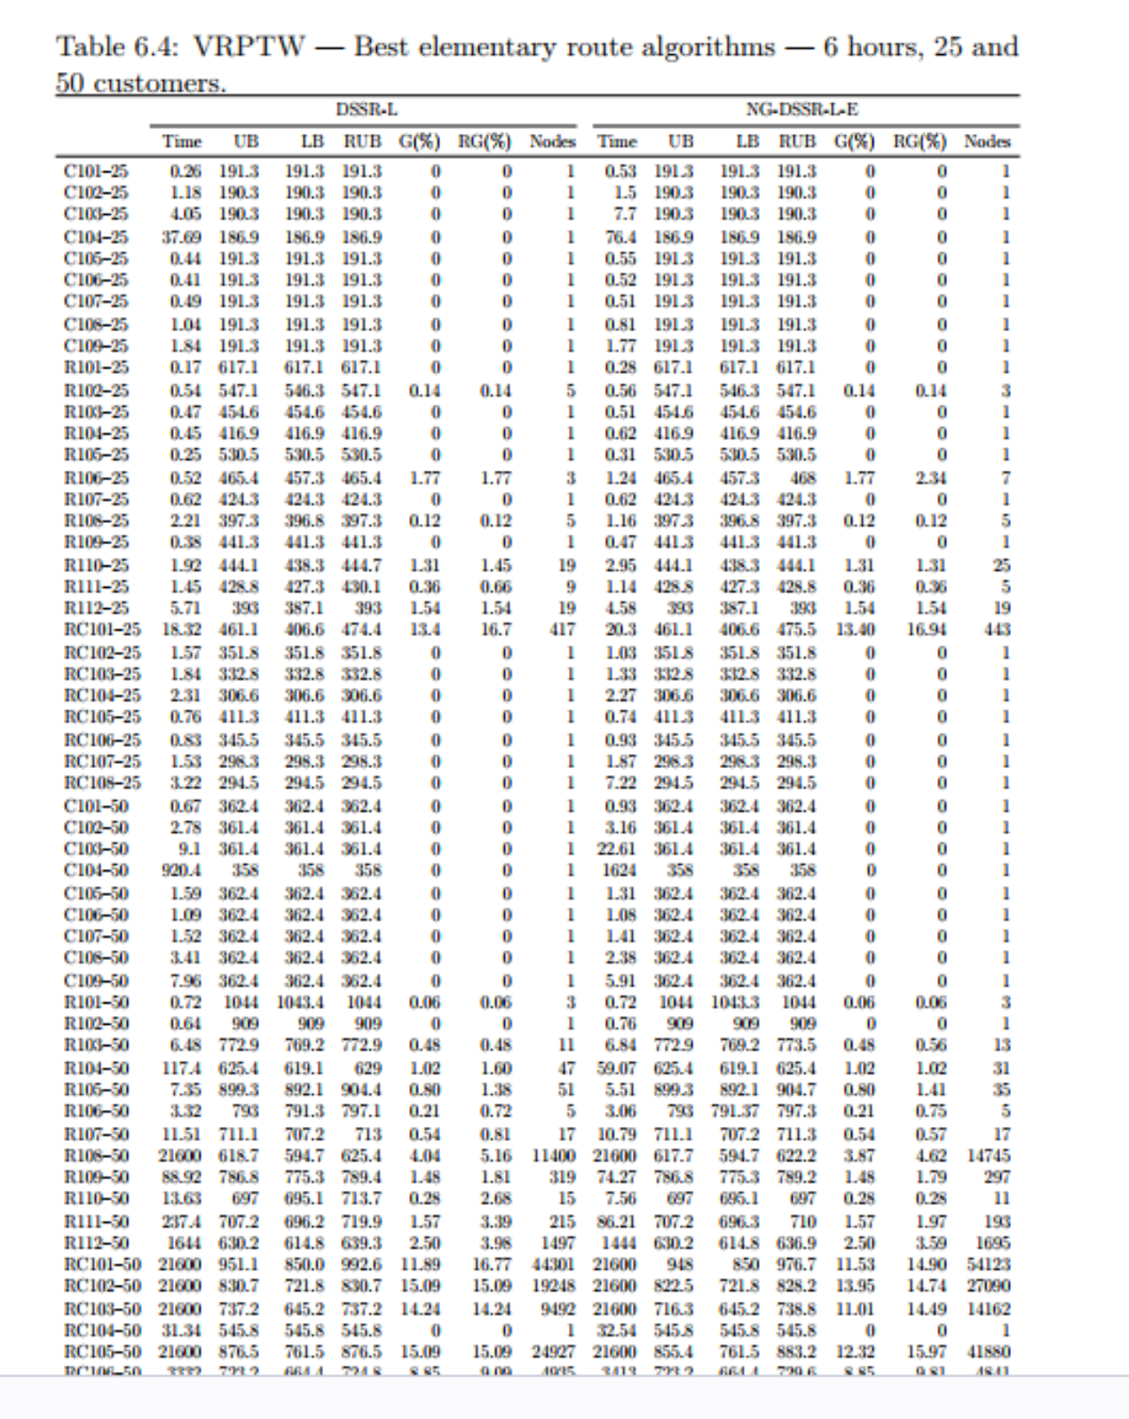

C106-25 | C106-25 | 25 | 27 | 3 | 200 | 41.4351 | 191.3 | 191.3 | 1 | 409 |  | C106-25 | 20.7 | 191.3 | 191.3 | 1 |  |  | C106-50 | 2.00E+00 | 0.00%
C107-25 | C107-25 | 25 | 27 | 3 | 200 | 67.138 | 191.3 | 191.3 | 1 | 575 |  | C107-25 | 31.7 | 191.3 | 191.3 | 1 |  |  | C107-50 | 2.12E+00 | 0.00%
C108-25 | C108-25 | 25 | 27 | 3 | 200 | 73.7638 | 191.3 | 191.3 | 1 | 709 |  | C108-25 | 43.1 | 191.3 | 191.3 | 1 |  |  | C108-50 | 1.71E+00 | 0.00%
C109-25 | C109-25 | 25 | 27 | 3 | 200 | 796.1351 | 191.3 | 191.3 | 1 | 812 |  | C109-25 | 585.4 | 191.3 | 191.3 | 1 |  |  | C109-50 | 1.36E+00 | 0.00%
R101-25 | R101-25 | 25 | 27 | 8 | 200 | 69.215 | 617.1 | 617.1 | 1 | 786 |  | R101-25 | 0.24 | 617.1 | 617.1 | 1 |  |  | R101-50 | 2.88E+02 | 0.00%
R102-25 | R102-25 | 25 | 27 | 7 | 200 | 7688.6083 | 547.1 | 547.1 | 41 | 2649 |  | R102-25 | 0.5 | 547.1 | 546.3 | 3 |  |  | R102-50 | 1.54E+04 | 0.00%
R103-25 | R103-25 | 25 | 27 | 5 | 200 | 238.0658 | 454.6 | 454.6 | 1 | 1159 |  | R103-25 | 0.46 | 454.6 | 454.6 | 1 |  |  | R103-50 | 5.18E+02 | 0.00%
R104-25 | R104-25 | 25 | 27 | 4 | 200 | 223.8931 | 416.9 | 416.9 | 1 | 829 |  | R104-25 | 0.54 | 416.9 | 416.9 | 1 |  |  | R104-50 | 4.15E+02 | 0.00%
R105-25 | R105-25 | 25 | 27 | 6 | 200 | 151.0703 | 530.5 | 530.5 | 1 | 802 |  | R105-25 | 0.28 | 530.5 | 530.5 | 1 |  |  | R105-50 | 5.40E+02 | 0.00%
R106-25 | R106-25 | 25 | 27 | 5 | 200 | 3657.296 | 465.4 | 465.4 | 56 | 2485 |  | R106-25 | 0.92 | 465.4 | 457.3 | 7 |  |  | R106-50 | 3.98E+03 | 0.00%
R107-25 | R107-25 | 25 | 27 | 4 | 200 | 391.0088 | 424.3 | 424.3 | 1 | 861 |  | R107-25 | 0.52 | 424.3 | 424.3 | 1 |  |  | R107-50 | 7.52E+02 | 0.00%
R108-25 | R108-25 | 25 | 27 | 4 | 200 | 2086.7162 | 397.3 | 397.3 | 21 | 1173 |  | R108-25 | 1.32 | 397.3 | 396.8 | 5 |  |  | R108-50 | 1.58E+03 | 0.00%
R109-25 | R109-25 | 25 | 27 | 5 | 200 | 221.6119 | 441.3 | 441.3 | 1 | 1034 |  | R109-25 | 0.59 | 441.3 | 441.3 | 1 |  |  | R109-50 | 3.76E+02 | 0.00%
R110-25 | R110-25 | 25 | 27 | 4 | 200 | 3690.3662 | 444.7 | 444.7 | 48 | 2021 |  | R110-25 | 2.46 | 444.1 | 438.3 | 25 |  |  | R110-50 | 1.50E+03 | 0.14%
R111-25 | R111-25 | 25 | 27 | 4 | 200 | 2000.8654 | 428.8 | 428.8 | 23 | 1330 |  | R111-25 | 1.05 | 428.8 | 427.2 | 5 |  |  | R111-50 | 1.91E+03 | 0.00%
R112-25 | R112-25 |  |  |  |  |  |  |  |  |  |  | R112-25 | 2.49 | 393 | 387.1 | 15 |  |  | R112-50 | 0.00E+00 | -100.00%
RC101-25 | RC101-25 | 25 | 27 | 4 | 200 | 3605.1597 | 461.1 | 461.1 | 305 | 2160 |  | RC101-25 | 15.07 | 461.1 | 406.6 | 321 |  |  | RC101-50 | 2.39E+02 | 0.00%
RC102-25 | RC102-25 | 25 | 27 | 3 | 200 | 53.1782 | 351.8 | 351.8 | 1 | 512 |  | RC102-25 | 0.99 | 351.8 | 351.8 | 1 |  |  | RC102-50 | 5.37E+01 | 0.00%
RC103-25 | RC103-25 | 25 | 27 | 3 | 200 | 221.793 | 332.8 | 332.8 | 1 | 683 |  | RC103-25 | 1.6 | 332.8 | 332.8 | 1 |  |  | RC103-50 | 1.39E+02 | 0.00%
RC104-25 | RC104-25 | 25 | 27 | 3 | 200 | 409.4547 | 307.9 | 307.9 | 1 | 764 |  | RC104-25 | 1.78 | 306.6 | 306.6 | 1 |  |  | RC104-50 | 2.30E+02 | 0.42%
RC105-25 | RC105-25 | 25 | 27 | 4 | 200 | 86.6381 | 411.3 | 411.3 | 1 | 626 |  | RC105-25 | 0.92 | 411.3 | 410.95 | 3 |  |  | RC105-50 | 9.42E+01 | 0.00%
RC106-25 | RC106-25 | 25 | 27 | 3 | 200 | 89.9952 | 345.5 | 345.5 | 1 | 512 |  | RC106-25 | 0.53 | 345.5 | 345.5 | 1 |  |  | RC106-50 | 1.70E+02 | 0.00%
RC107-25 | RC107-25 | 25 | 27 | 3 | 200 | 238.1869 | 296.8 | 298.3 | 1 | 600 |  | RC107-25 | 1.83 | 298.3 | 298.3 | 1 |  |  | RC107-50 | 1.30E+02 | 0.00%
RC108-25 | RC108-25 | 25 | 27 | 3 | 200 | 331.9979 | 294.5 | 294.5 | 1 | 781 |  | RC108-25 | 3.04 | 294.5 | 294.5 | 1 |  |  | RC108-50 | 1.09E+02 | 0.00%

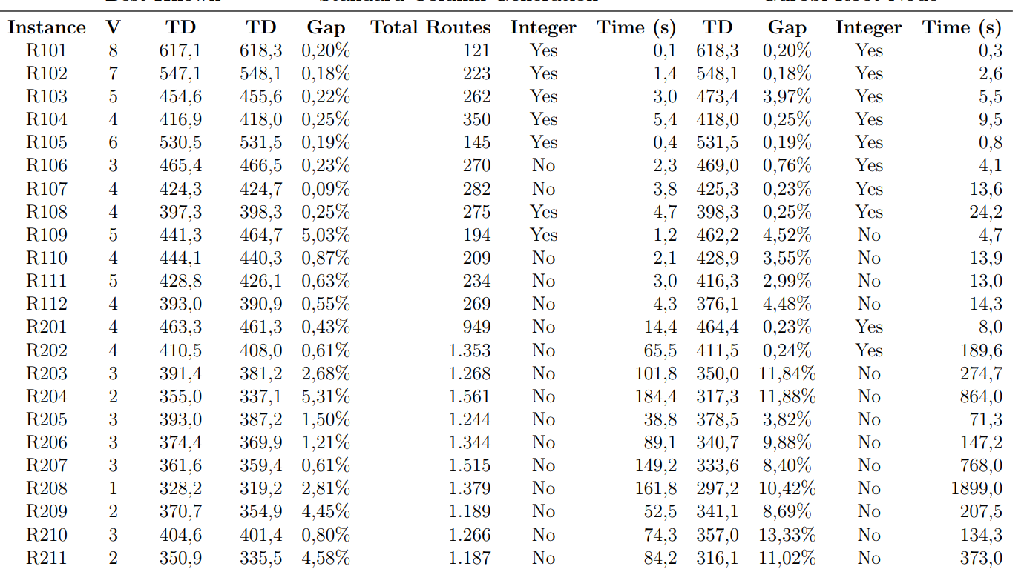

 |  |  |  |  |  |  |  |  |  |  |  |  |  |  |  |  |  |  |  | heuristica inibindo arcos proibidos e forçando os fixos
 |  |  |  |  |  |  |  |  |  |  |  |  |  |  |  |  |  |  |  | FO |  |  | Time
 |  |  |  |  |  |  |  |  |  |  |  |  |  |  |  |  |  |  |  |  | MIP |  |  | MIP
 |  |  |  |  |  |  |  |  |  |  |  |  |  |  |  |  |  |  |  | 618.330 | 618,3299 |  | 83.838 | 25.3171
 |  |  |  |  |  |  |  |  |  |  |  |  |  |  |  |  |  |  |  | 548.108 | 548,1078 |  | 3688.597 | 1620.0409
 |  |  |  |  |  |  |  |  |  |  |  |  |  |  |  |  |  |  |  | 455.698 | 455,6982 |  | 1528.838 | 185.2481
 |  |  |  |  |  |  |  |  |  |  |  |  |  |  |  |  |  |  |  | 417.961 | 417,9612 |  | 848.952 | 162.7161
 |  |  |  |  |  |  |  |  |  |  |  |  |  |  |  |  |  |  |  | 531.539 | 531,5386 |  | 267.182 | 45.5649
 |  |  |  |  |  |  |  |  |  |  |  |  |  |  |  |  |  |  |  | 466.480 | 466,4802 |  | 3642.457 | 896.2332
 |  |  |  |  |  |  |  |  |  |  |  |  |  |  |  |  |  |  |  | 425.269 | 425,2685 |  | 1103.327 | 191.867
 |  |  |  |  |  |  |  |  |  |  |  |  |  |  |  |  |  |  |  | 398.295 | 398,2947 |  | 3735.865 | 545.2921
 |  |  |  |  |  |  |  |  |  |  |  |  |  |  |  |  |  |  |  | 442.625 | 442,6252 |  | 792.711 | 64.655
 |  |  |  |  |  |  |  |  |  |  |  |  |  |  |  |  |  |  |  | 445.872 | 445,8722 |  | 4107.891 | 1085.352
 |  |  |  |  |  |  |  |  |  |  |  |  |  |  |  |  |  |  |  | 429.697 | 429,6968 |  | 2720.274 | 313.9361
 |  |  |  |  |  |  |  |  |  |  |  |  |  |  |  |  |  |  |  | 395.091 | 396,9838 |  | 3610.081 | 3346.43

 |  |  |  |  |  |  |  |  |  |  | V0: [0,21,23,24,12,26] ; V1: [0,18,26] ; V2: [0,2,15,22,4,25,26] ; V3: [0,8,17,5,26] ; V4: [0,7,11,19,10,26] ; V5: [0,14,16,6,13,26] ; V6: [0,3,9,20,1,26] | RC102-50 | 21600 | 830.4 | 721.8 | 840.1 | 15.04 | 16.39 | 22475
 |  |  |  |  |  |  |  |  |  |  | V0: [0,7,19,11,8,18,26] ; V1: [0,21,23,22,4,25,26] ; V2: [0,2,15,14,16,17,5,26] ; V3: [0,6,13,26] ; V4: [0,12,24,3,9,10,20,1,26] | RC103-50 | 21600 | 727.9 | 645.2 | 737 | 12.80 | 14.21 | 23251
 |  |  |  |  |  |  |  |  |  |  | V0: [0,12,24,3,9,20,10,1,26] ; V1: [0,2,15,14,16,17,5,26] ; V2: [0,7,19,11,8,18,6,13,26] ; V3: [0,21,22,23,4,25,26] | RC104-50 | 18.55 | 545.8 | 545.8 | 545.8 | 0 | 0 | 1
 |  |  |  |  |  |  |  |  |  |  | V0: [0,21,23,22,4,25,26] ; V1: [0,7,18,8,17,26] ; V2: [0,5,14,16,6,26] ; V3: [0,12,9,3,24,26] ; V4: [0,19,11,10,20,1,26] ; V5: [0,2,15,13,26] | RC105-50 | 21600 | 860.4 | 761.5 | 885.6 | 12.98 | 16.29 | 52519
 |  |  |  |  |  |  |  |  |  |  | V0: [0,12,9,20,3,24,26] ; V1: [0,18,8,17,5,26] ; V2: [0,2,15,23,22,4,25,21,26] ; V3: [0,14,16,6,13,26] ; V4: [0,7,19,11,10,1,26] | RC106-50 | 4937 | 723.2 | 664.4 | 741.4 | 8.85 | 11.58 | 5833
 |  |  |  |  |  |  |  |  |  |  | V0: [0,18,7,11,19,8,17,16,5,26] ; V1: [0,21,23,22,4,25,24,26] ; V2: [0,2,15,14,6,13,26] ; V3: [0,12,3,9,20,10,1,26] | RC107-50 | 21600 | 642.7 | 603.5 | 642.7 | 6.48 | 6.48 | 6750
 |  |  |  |  |  |  |  |  |  |  | V0: [0,21,22,23,4,25,24,26] ; V1: [0,1,20,9,3,12,26] ; V2: [0,7,10,11,19,8,18,26] ; V3: [0,2,15,14,16,17,5,6,13,26] | RC108-50 | 21600 | 598.1 | 541.1 | 598.1 | 10.52 | 10.52 | 3100
 |  |  |  |  |  |  |  |  |  |  | V0: [0,21,22,23,4,25,24,26] ; V1: [0,12,3,9,20,1,26] ; V2: [0,7,19,11,10,26] ; V3: [0,2,15,14,16,17,13,26] ; V4: [0,5,8,18,6,26]
 |  |  |  |  |  |  |  |  |  |  | V0: [0,11,19,7,10,20,9,1,26] ; V1: [0,5,17,8,18,6,13,26] ; V2: [0,2,21,12,3,24,25,4,26] ; V3: [0,16,14,15,22,23,26]
 |  |  |  |  |  |  |  |  |  |  | V0: [0,2,15,14,16,6,13,26] ; V1: [0,12,3,9,20,10,1,26] ; V2: [0,21,23,22,4,25,24,26] ; V3: [0,7,11,19,8,18,17,5,26]
 |  |  |  |  |  |  |  |  |  |  | V0: [0,21,23,22,4,25,24,26] ; V1: [0,18,8,7,19,11,10,26] ; V2: [0,2,15,14,16,17,5,6,13,26] ; V3: [0,12,3,9,20,1,26]
 |  |  |  |  |  |  |  |  |  |  | V0: [0,20,24,25,23,22,21,26] ; V1: [0,13,17,18,19,15,16,14,12,26] ; V2: [0,5,3,7,8,10,11,9,6,4,2,1,26]
 |  |  |  |  |  |  |  |  |  |  | V0: [0,13,17,18,19,15,16,14,12,26] ; V1: [0,7,8,10,11,9,6,4,2,1,3,5,26] ; V2: [0,20,24,25,23,22,21,26]
 |  |  |  |  |  |  |  |  |  |  | V0: [0,20,24,25,23,22,21,26] ; V1: [0,13,17,18,19,15,16,14,12,1,26] ; V2: [0,7,8,10,11,9,6,4,2,3,5,26]
 |  |  |  |  |  |  |  |  |  |  | V0: [0,7,8,11,9,6,4,2,1,3,5,26] ; V1: [0,20,24,25,23,22,21,26] ; V2: [0,13,17,18,19,15,16,14,12,10,26]

GERALAlterada
 |  | ninst | tem_janelas | heuristica_retirada | tamanho_clientes | nos_rede | veiculos | capacidade | tabu | tipo_geracao | tempo_exato |  |  | tempo_bp |  | fo_exato |  | fo_bp |  |  |  | gap_pct | igual_exato | nos_bp |  | colunas_bp |  | seq_exato | seq_bp |  | LITERATURA |  |  |  |  |  |  |  |  | 10 X LITERATURa
run_id | arquivo_instancia | ninst | tem_janelas | heuristica_retirada | tamanho_clientes | nos_rede | veiculos | capacidade | tabu | tipo_geracao | tempo_exato |  | tempo_bp Livre | tempo_bpFO | tempo_bpTIME | fo_exato |  | fo_bp Livre | FobpFO | FobpTime |  | gap_pct | igual_exato | nos_bp |  | colunas_bp |  | seq_exato | seq_bp | timestamp | Problema | Nodes | Arcs | LP | IP | Vehicles | BB_Nodes | Columns | CPU | Problema | Nodes | Arcs | LP | IP | Vehicles | BB_Nodes | Columns | CPU
tam25_cap200_tabu0_inst0_cons10 | instancias/c101N.txt | 0 | 0 | 10 | 25 | 27 | 3 | 200 | 0 | PD | 0.2661 |  | 100.2358 | 43.8164 | 18.7886 | 191.8136 |  | 191.3 | 191.3 | -1 |  | 0 | 1 | 1 | 1 | 975 | 552 |  |  |  | C101 | 25 | 332 | 191.3 | 191.3 | 3 | 1 | 498 | 18.6 | C101 | 25 |  |  | 0 | 3 | 1 | 1.1084337349 | 1.0101397849
tam25_cap200_tabu0_inst0_cons10 | instancias/c102.txt | 0 | 0 | 10 | 25 | 27 | 3 | 200 | 0 | PD | 19.595 |  | 579.9984 | 84.7181 | 84.5491 | 190.7376 |  | 190.3 | 190.3 | 190.3 |  | 0 | 1 | 1 | 1 | 2391 | 759 |  |  |  | C102 | 25 | 473 | 190.3 | 190.3 | 3 | 1 | 534 | 79.7 | C102 | 25 |  |  | 0 | 3 | 1 | 1.4213483146 | 1.0608419072 |  |  |  |  | GAP
tam25_cap200_tabu0_inst0_cons10 | instancias/c103.txt | 0 | 0 | 10 | 25 | 27 | 3 | 200 | 0 | PD | 1201.4904 |  | 600.421 | 585.5399 | 137.6121 | 190.7376 |  | 193.9 | 193.9 | 193.9 |  | 0 | 1 | 1 | 2 | 2328 | 933 |  |  |  | C103 | 25 | 569 | 190.3 | 190.3 | 3 | 1 | 447 | 134.7 | C103 | 25 |  |  | 0.018917498686 | 3 | 2 | 2.0872483221 | 1.0216191537 |  |  |  | heuristica | MÁXIMO | inst | MÍNIMO | inst | MÉDIA
tam25_cap200_tabu0_inst0_cons10 | instancias/c104.txt | 0 | 0 | 10 | 25 | 27 | 3 | 200 | 0 | PD | 1201.9546 |  | 676.5747 | 92.3983 | 228.4098 | 187.4495 |  | 186.9 | 186.9 | 186.9 |  | 1.7561 | 0 | 1 | 1 | 2121 | 519 |  |  |  | C104 | 25 | 604 | 186.9 | 186.9 | 3 | 1 | 485 | 223.9 | C104 | 25 |  |  | 0 | 3 | 1 | 1.0701030928 | 1.0201420277 |  |  |  | 0 |  |  |  | instancias/r101,txt | 611.83870968
tam25_cap200_tabu0_inst0_cons10 | instancias/c105.txt | 0 | 0 | 10 | 25 | 27 | 3 | 200 | 0 | PD | 0.6184 |  | 172.4839 | 57.2197 | 25.7256 | 191.8136 |  | 191.3 | 191.3 | -1 |  | 0 | 1 | 1 |  | 2424 |  |  |  |  | C105 | 25 | 357 | 191.3 | 191.3 | 3 | 1 | 531 | 25.6 | C105 | 25 |  |  | 0 | 3 | 0 | 0 | 1.00490625 |  |  | inserção com melhoria | 1 |  |  |  | instancias/r101,txt
tam25_cap200_tabu0_inst0_cons10 | instancias/c106.txt | 0 | 0 | 10 | 25 | 27 | 3 | 200 | 0 | PD | 0.3072 |  | 83.6705 | 41.4351 | 20.703 | 191.8136 |  | 191.3 | 191.3 | -1 |  | 0 | 1 | 1 |  | 1686 |  |  |  |  | C106 | 25 | 336 | 191.3 | 191.3 | 3 | 1 | 447 | 20.7 | C106 | 25 |  |  | 0 | 3 | 0 | 0 | 1.0001449275 |  |  | vns_ com acrescimo | 2 |  |  |  | instancias/r101,txt
tam25_cap200_tabu0_inst0_cons10 | instancias/c107.txt | 0 | 0 | 10 | 25 | 27 | 3 | 200 | 0 | PD | 0.6161 |  | 202.7112 | 67.138 | 32.7467 | 191.8136 |  | 191.3 | 191.3 | -1 |  | 0 | 1 | 1 |  | 2040 |  |  |  |  | C107 | 25 | 377 | 191.3 | 191.3 | 3 | 1 | 514 | 31.7 | C107 | 25 |  |  | 0 | 3 | 0 | 0 | 1.0330189274 |  |  | sem pd | 3 |  |  |  | instancias/r101,txt
tam25_cap200_tabu0_inst0_cons10 | instancias/c108.txt | 0 | 0 | 10 | 25 | 27 | 3 | 200 | 0 | PD | 15.0551 |  | 394.6839 | 73.7638 | 50.9613 | 191.8136 |  | 191.3 | 191.3 | -1 |  | 0 | 1 | 1 |  | 2415 |  |  |  |  | C108 | 25 | 431 | 191.3 | 191.3 | 3 | 1 | 513 | 43.1 | C108 | 25 |  |  | 0 | 3 | 0 | 0 | 1.1823967517 |  | construtivas | apenas pd | 22 |  |  |  | instancias/r101,txt
tam25_cap200_tabu0_inst0_cons10 | instancias/c109.txt | 0 | 0 | 10 | 25 | 27 | 3 | 200 | 0 | PD | 1200.9615 |  | 820.9841 | 796.1351 | 596.1198 | 191.8136 |  | 191.3 | 191.3 | 192.2 |  | 0 | 1 | 1 |  | 2028 |  |  |  |  | C109 | 25 | 482 | 189.4 | 191.3 | 3 | 3 | 1747 | 585.4 | C109 | 25 |  |  | 0 | 3 | 0 | 0 | 1.0183119235 |  |  | todas | 10 |  |  |  | instancias/r101,txt | 190.98888889 | 2
tam25_cap200_tabu0_inst0_cons10 | instancias/c201,txt | 0 | 0 | 10 | 25 | 27 | 3 | 200 | 0 | PD | 4.768 |  |  |  | -1.000 | 268.5325 |  |  |  |  |  | 0.119 | 0 | 97 |  | 2682 |  |  |  | 4/3/26
tam25_cap200_tabu0_inst0_cons10 | instancias/c202,txt | 0 | 0 | 10 | 25 | 27 | 3 | 200 | 0 | PD | 200.699 |  |  |  | -1.000 | 271.5942 |  |  |  |  |  | 2.281 | 0 | 2 |  | 1593 |  |  |  | 4/3/26
tam25_cap200_tabu0_inst0_cons10 | instancias/c203,txt | 0 | 0 | 10 | 25 | 27 | 3 | 200 | 0 | PD | 176.220 |  |  |  | -1.000 | 276.6242 |  |  |  |  |  |  |  | 0 |  | 0 |  |  |  | 4/3/26 |  |  |  |  |  |  |  |  |  |  |  |  |  |  |  |  |  |  |  |  |  |  | TIME
tam25_cap200_tabu0_inst0_cons10 | instancias/c204,txt | 0 | 0 | 10 | 25 | 27 | 3 | 200 | 0 | PD | 200.612 |  |  |  | -1.000 | 278.8716 |  |  |  |  |  | 2.004 | 0 | 2 |  | 2583 |  |  |  | 4/3/26 |  |  |  |  |  |  |  |  |  |  |  |  |  |  |  |  |  |  |  |  |  | heuristica | MÁXIMO | inst | MÍNIMO | inst | MÉDIA
tam25_cap200_tabu0_inst0_cons10 | instancias/c205,txt | 0 | 0 | 10 | 25 | 27 | 3 | 200 | 0 | PD | 200.9742 |  |  |  |  | 268.5325 |  |  |  |  |  | 4.5964 | 0 | 2 |  | 1518 |  |  |  | 4/3/26 |  |  |  |  |  |  |  |  |  |  |  |  |  |  |  |  |  |  |  |  |  | 0 |  | instancias/c202,txt | 67.9489 |  | 1577.36558
tam25_cap200_tabu0_inst0_cons10 | instancias/c206,txt | 0 | 0 | 10 | 25 | 27 | 3 | 200 | 0 | PD | 200.9454 |  |  |  |  | 266.5696 |  |  |  |  |  | 4.4719 | 0 | 30 |  | 1662 |  |  |  | 4/3/26 |  |  |  |  |  |  |  |  |  |  |  |  |  |  |  |  |  |  |  |  |  | 1 |  | instancias/c203,txt | 20.2125 |  | 1251.4237
tam25_cap200_tabu0_inst0_cons10 | instancias/c207,txt | 0 | 0 | 10 | 25 | 27 | 3 | 200 | 0 | PD | 200.6136 |  |  |  |  | 264.6319 |  |  |  |  |  | 3.7093 | 0 | 176 |  | 2382 |  |  |  | 4/3/26 |  |  |  |  |  |  |  |  |  |  |  |  |  |  |  |  |  |  |  |  |  | 2 |  | instancias/c203,txt | 23.3106 |  | 1214.44336
tam25_cap200_tabu0_inst0_cons10 | instancias/c208,txt | 0 | 0 | 10 | 25 | 27 | 3 | 200 | 0 | PD | 200.6399 |  |  |  |  | 265.8097 |  |  |  |  |  | 2.7366 | 0 | 58 |  | 3141 |  |  |  | 4/3/26 |  |  |  |  |  |  |  |  |  |  |  |  |  |  |  |  |  |  |  |  |  | 3 |  | instancias/c202,txt | 2.2683 |  | 814.7328333
tam25_cap200_tabu0_inst0_cons10 | instancias/r101,txt | 0 | 0 | 10 | 25 | 27 | 8 | 200 | 0 | PD | 0.740 |  |  |  |  | 618.3299 |  |  |  |  |  | 0.000 | 1 | 3 | 1 | 1288 | 896 |  |  | 4/2/26 | R101 | 25 | 227 | 617.1 | 617.1 | 8 | 1 | 78 | 5.8 |  |  |  |  | -1 |  | 1 | 11.487179487 | 0 |  |  |  | 22 |  | instancias/c203,txt | 99.9047 |  | 2195.531607
tam25_cap200_tabu0_inst0_cons10 | instancias/r102,txt | 0 | 0 | 10 | 25 | 27 | 7 | 200 | 0 | PD | 200.524 |  |  |  |  | 548.1078 |  |  |  |  |  | 0.000 | 1 | 272 | 80 | 2170 | 2849 |  |  | 4/2/26 | R102 | 25 | 404 | 546.4 | 547.1 | 7 | 3 | 165 | 20.3 |  |  |  |  | -1 |  | 26.666666667 | 17.266666667 | 0 |  |  |  | 10 |  | instancias/r112,txt | 25.3171 |  | 545.3554571
tam25_cap200_tabu0_inst0_cons10 | instancias/r103,txt | 0 | 0 | 10 | 25 | 27 | 5 | 200 | 0 | PD | 201.484 |  |  |  |  | 490.9734 |  |  |  |  |  | -7.185 | 0 | 1 | 1 | 1965 | 1150 |  |  | 4/2/26 | R103 | 25 | 510 | 454.6 | 454.6 | 5 | 1 | 246 | 22.2 |  |  |  |  | -1 |  | 1 | 4.674796748 | 0
tam25_cap200_tabu0_inst0_cons10 | instancias/r104,txt | 0 | 0 | 10 | 25 | 27 | 4 | 200 | 0 | PD | 200.873 |  |  |  |  | -1 |  |  |  |  |  |  |  | 1 | 3 | 1848 | 1200 |  |  | 4/2/26 | R104 | 25 | 559 | 416.9 | 416.9 | 4 | 1 | 419 | 46 |  |  |  |  | -1 |  | 3 | 2.8639618138 | 0
tam25_cap200_tabu0_inst0_cons10 | instancias/r105,txt | 0 | 0 | 10 | 25 | 27 | 6 | 200 | 0 | PD | 26.032 |  |  |  |  | 531.5386 |  |  |  |  |  | 0.000 | 1 | 1 | 1 | 1404 | 924 |  |  | 4/2/26 | R105 | 25 | 303 | 526 | 530.5 | 6 | 7 | 554 | 22.6 |  |  |  |  | -1 |  | 0.14285714286 | 1.6678700361 | 0
tam25_cap200_tabu0_inst0_cons10 | instancias/r106,txt | 0 | 0 | 10 | 25 | 27 | 5 | 200 | 0 | PD | 201.286 |  |  |  |  | 466.4802 |  |  |  |  |  | 0.000 | 1 | 151 | 41 | 2525 | 3220 |  |  | 4/2/26 | R106 | 25 | 458 | 457.3 | 467.4 | 5 | 15 | 2451 | 205.2 |  |  |  |  | -1 |  | 2.7333333333 | 1.31374949 | 0 |  |  | COM MIP
tam25_cap200_tabu0_inst0_cons10 | instancias/r107,txt | 0 | 0 | 10 | 25 | 27 | 4 | 200 | 0 | PD | 200.806 |  |  |  |  | -1 |  |  |  |  |  |  |  | 1 | 1 | 1860 | 992 |  |  | 4/2/26 | R107 | 25 | 542 | 423 | 424.3 | 4 | 21 | 3191 | 304.1 |  |  |  |  | -1 |  | 0.047619047619 | 0.31087433406 | 0 |  |  |  | GAP
tam25_cap200_tabu0_inst0_cons10 | instancias/r108,txt | 0 | 0 | 10 | 25 | 27 | 4 | 200 | 0 | PD | 201.016 |  |  |  |  | 467.1724 |  |  |  |  |  | -14.744 | 0 | 5 | 51 | 1952 | 1360 |  |  | 4/2/26 | R108 | 25 | 586 | 396.2 | 397.2 | 4 | 3 | 1041 | 307.4 |  |  |  |  | -1 |  | 17 | 1.3064361191 | 0 |  |  | heuristica | MÁXIMO | inst | MÍNIMO | inst | MÉDIA
tam25_cap200_tabu0_inst0_cons10 | instancias/r109,txt | 0 | 0 | 10 | 25 | 27 | 5 | 200 | 0 | PD | 111.615 |  |  |  |  | 442.6252 |  |  |  |  |  | 0.000 | 1 | 1 | 1 | 2085 | 1050 |  |  | 4/2/26 | R109 | 25 | 411 | 441.3 | 441.3 | 5 | 1 | 207 | 14.4 |  |  |  |  | -1 |  | 1 | 5.0724637681 | 0 |  |  | 0 |  | instancias/c202,txt |  | instancias/r101,txt | 611.83870968
tam25_cap200_tabu0_inst0_cons10 | instancias/r110,txt | 0 | 0 | 10 | 25 | 27 | 4 | 200 | 0 | PD | 201.195 |  |  |  |  | -1 |  |  |  |  |  |  |  | 31 | 51 | 2816 | 2684 |  |  | 4/2/26 | R110 | 25 | 530 | 425.4 | 429.5 | 4 | 5 | 655 | 64.3 |  |  |  |  | -1 |  | 10.2 | 4.0977099237 | 0 |  | inserção com melhoria | 1 |  | instancias/c202,txt |  | instancias/r101,txt
tam25_cap200_tabu0_inst0_cons10 | instancias/r111,txt | 0 | 0 | 10 | 25 | 27 | 4 | 200 | 0 | PD | 200.912 |  |  |  |  | -1 |  |  |  |  |  |  |  | 25 | 23 | 1960 | 1464 |  |  | 4/2/26 | R111 | 25 | 526 | 423.5 | 428.8 | 4 | 15 | 2794 | 330 |  |  |  |  | -1 |  | 1.5333333333 | 0.52397995705 | 0 |  | vns_ com acrescimo | 2 |  | instancias/c202,txt |  | instancias/r101,txt
tam25_cap200_tabu0_inst0_cons10 | instancias/r112,txt | 0 | 0 | 10 | 25 | 27 | 4 | 200 | 0 | PD | 200.888 |  |  |  |  | 394.1013 |  |  |  |  |  | 0.251 | 0 | 61 | 53 | 2044 | 2072 |  |  | 4/3/26 | R112 | 25 | 647 | 383.9 | 393 | 4 | 21 | 2643 | 623.3 |  |  |  |  | -1 |  | 2.5238095238 | 0.78395762391 | 0 |  | sem pd | 3 |  | instancias/c201,txt |  | instancias/r101,txt
 |  |  |  |  |  |  |  |  |  |  |  |  |  |  |  |  |  |  |  |  |  |  |  |  |  |  |  |  |  |  |  |  |  |  |  |  |  |  |  |  |  |  |  |  |  |  |  |  | construtivas | apenas pd | 22 |  | instancias/r102,txt |  | instancias/r101,txt
 |  |  |  |  |  |  |  |  |  |  |  |  |  |  |  |  |  |  |  |  |  |  |  |  |  |  |  |  |  |  |  |  |  |  |  |  |  |  |  |  |  |  |  |  |  |  |  |  |  | todas | 10 |  | instancias/c109,txt |  | instancias/r101,txt | 190.98888889
 |  |  |  |  |  |  |  |  |  |  |  |  |  | boa performance primal
 |  |  |  |  |  |  |  |  |  |  |  |  |  | baixa performance de convergencia
 |  |  |  |  |  |  |  |  |  |  |  |  |  |  |  |  |  |  |  |  |  |  |  |  |  |  |  |  |  |  |  |  |  |  |  |  |  |  |  |  |  |  |  |  |  |  |  |  |  |  |  | TIME
 |  |  |  |  |  |  |  |  |  |  |  |  |  |  |  |  |  |  |  |  |  |  |  |  |  |  |  |  |  |  |  |  |  |  |  |  |  |  |  |  |  |  |  |  |  |  |  |  |  |  | heuristica | MÁXIMO | inst | MÍNIMO | inst | MÉDIA
 | tam25_cap200_tabu0_inst0_cons10 | instancias/c101N,txt | 0 | 0 | 10 | 25 | 27 | 3 | 200 | 0 | PD | 0 | 43.8164 | -1 | 191.3 |  | 1 | 424 | False | 0 | SEM_SEQUENCIA_EXATO | V0: [0,5,3,7,8,10,11,9,6,4,2,1,26] ; V1: [0,20,24,25,23,22,21,26] ; V2: [0,13,17,18,19,15,16,14,12,26] | 4/20/26 |  |  |  |  |  |  |  |  |  |  |  |  |  |  |  |  |  |  |  |  |  |  |  |  |  |  |  | 0 | 3999.3001 | instancias/c202,txt | 67.9489 |  | 1577.36558
 | tam25_cap200_tabu0_inst1_cons10 | instancias/c102,txt | 1 | 0 | 10 | 25 | 27 | 3 | 200 | 0 | PD | 0 | 84.7181 | -1 | 190.3 |  | 1 | 646 | False | 0 | SEM_SEQUENCIA_EXATO | V0: [0,13,17,18,19,15,16,14,12,26] ; V1: [0,7,8,10,11,9,6,4,2,1,3,5,26] ; V2: [0,20,24,25,23,22,21,26] | 4/20/26 |  |  |  |  |  |  |  |  |  |  |  |  |  |  |  |  |  |  |  |  |  |  |  |  |  |  |  | 1 | 3786.1477 | instancias/c203,txt | 20.2125 |  | 1251.4237
 | tam25_cap200_tabu0_inst2_cons10 | instancias/c103,txt | 2 | 0 | 10 | 25 | 27 | 3 | 200 | 0 | PD | 0 | 585.5399 | -1 | 193.9 |  | 1 | 886 | False | 0 | SEM_SEQUENCIA_EXATO | V0: [0,20,24,25,23,22,21,26] ; V1: [0,7,8,10,11,9,6,4,2,1,3,5,26] ; V2: [0,13,17,15,12,14,16,19,18,26] | 4/20/26 |  |  |  |  |  |  |  |  |  |  |  |  |  |  |  |  |  |  |  |  |  |  |  |  |  |  |  | 2 | 4212.7162 | instancias/c203,txt | 23.3106 |  | 1214.44336
 | tam25_cap200_tabu0_inst3_cons10 | instancias/c104,txt | 3 | 0 | 10 | 25 | 27 | 3 | 200 | 0 | PD | 0 | 92.3983 | -1 | 186.9 |  | 1 | 472 | False | 0 | SEM_SEQUENCIA_EXATO | V0: [0,13,17,18,19,15,16,14,12,10,26] ; V1: [0,7,8,11,9,6,4,2,1,3,5,26] ; V2: [0,20,24,25,23,22,21,26] | 4/20/26 |  |  |  |  |  |  |  |  |  |  |  |  |  |  |  |  |  |  |  |  |  |  |  |  |  |  |  | 3 | 3633.8025 | instancias/c202,txt | 2.2683 |  | 814.7328333
 | tam25_cap200_tabu0_inst4_cons10 | instancias/c105,txt | 4 | 0 | 10 | 25 | 27 | 3 | 200 | 0 | PD | 0 | 57.2197 | -1 | 191.3 |  | 1 | 709 | False | 0 | SEM_SEQUENCIA_EXATO | V0: [0,13,17,18,19,15,16,14,12,26] ; V1: [0,5,3,7,8,10,11,9,6,4,2,1,26] ; V2: [0,20,24,25,23,22,21,26] | 4/20/26 |  |  |  |  |  |  |  |  |  |  | não quero ô |  |  |  |  |  |  |  |  |  |  |  |  |  |  |  |  | 22 | 4554.6505 | instancias/c203,txt | 99.9047 |  | 2195.531607
 | tam25_cap200_tabu0_inst5_cons10 | instancias/c106,txt | 5 | 0 | 10 | 25 | 27 | 3 | 200 | 0 | PD | 0 | 41.4351 | -1 | 191.3 |  | 1 | 409 | False | 0 | SEM_SEQUENCIA_EXATO | V0: [0,13,17,18,19,15,16,14,12,26] ; V1: [0,20,24,25,23,22,21,26] ; V2: [0,5,3,7,8,10,11,9,6,4,2,1,26] | 4/20/26 |  |  |  |  |  |  |  |  |  |  |  |  |  |  |  |  |  |  |  |  |  |  |  |  |  |  |  | 10 | 3346.43 | instancias/r112,txt | 25.3171 |  | 545.3554571
 | tam25_cap200_tabu0_inst6_cons10 | instancias/c107,txt | 6 | 0 | 10 | 25 | 27 | 3 | 200 | 0 | PD | 0 | 67.138 | -1 | 191.3 |  | 1 | 575 | False | 0 | SEM_SEQUENCIA_EXATO | V0: [0,13,17,18,19,15,16,14,12,26] ; V1: [0,20,24,25,23,22,21,26] ; V2: [0,5,3,7,8,10,11,9,6,4,2,1,26] | 4/20/26
 | tam25_cap200_tabu0_inst7_cons10 | instancias/c108,txt | 7 | 0 | 10 | 25 | 27 | 3 | 200 | 0 | PD | 0 | 73.7638 | -1 | 191.3 |  | 1 | 709 | False | 0 | SEM_SEQUENCIA_EXATO | V0: [0,13,17,18,19,15,16,14,12,26] ; V1: [0,20,24,25,23,22,21,26] ; V2: [0,5,3,7,8,10,11,9,6,4,2,1,26] | 4/20/26
 | tam25_cap200_tabu0_inst8_cons10 | instancias/c109,txt | 8 | 0 | 10 | 25 | 27 | 3 | 200 | 0 | PD | 0 | 796.1351 | -1 | 191.3 |  | 1 | 812 | False | 0 | SEM_SEQUENCIA_EXATO | V0: [0,20,24,25,23,22,21,26] ; V1: [0,5,3,7,8,10,11,9,6,4,2,1,26] ; V2: [0,13,17,18,19,15,16,14,12,26] | 4/20/26
 | tam25_cap200_tabu0_inst0_cons10 | instancias/c101N,txt | 0 | 0 | 10 | 25 | 27 | 3 | 200 | 0 | PD | 0 | 19.5878 | -1 | -1 |  | 0 | 0 | False | 0 | SEM_SEQUENCIA_EXATO | SEM_SEQUENCIA_BP | 4/20/26
 | tam25_cap200_tabu0_inst1_cons10 | instancias/c102,txt | 1 | 0 | 10 | 25 | 27 | 3 | 200 | 0 | PD | 0 | 84.077 | -1 | 190.3 |  | 1 | 646 | False | 0 | SEM_SEQUENCIA_EXATO | V0: [0,13,17,18,19,15,16,14,12,26] ; V1: [0,7,8,10,11,9,6,4,2,1,3,5,26] ; V2: [0,20,24,25,23,22,21,26] | 4/20/26
 | tam25_cap200_tabu0_inst2_cons10 | instancias/c103,txt | 2 | 0 | 10 | 25 | 27 | 3 | 200 | 0 | PD | 0 | 135.8662 | -1 | 193.9 |  | 1 | 610 | False | 0 | SEM_SEQUENCIA_EXATO | V0: [0,20,24,25,23,22,21,26] ; V1: [0,7,8,10,11,9,6,4,2,1,3,5,26] ; V2: [0,13,17,15,12,14,16,19,18,26] | 4/20/26
 | tam25_cap200_tabu0_inst3_cons10 | instancias/c104,txt | 3 | 0 | 10 | 25 | 27 | 3 | 200 | 0 | PD | 0 | 225.2589 | -1 | 186.9 |  | 1 | 556 | False | 0 | SEM_SEQUENCIA_EXATO | V0: [0,13,17,18,19,15,16,14,12,10,26] ; V1: [0,7,8,11,9,6,4,2,1,3,5,26] ; V2: [0,20,24,25,23,22,21,26] | 4/20/26
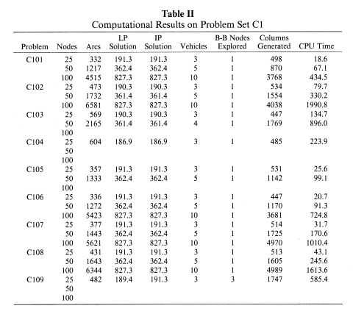
 | tam25_cap200_tabu0_inst4_cons10 | instancias/c105,txt | 4 | 0 | 10 | 25 | 27 | 3 | 200 | 0 | PD | 0 | 26.15 | -1 | -1 |  | 0 | 0 | False | 0 | SEM_SEQUENCIA_EXATO | SEM_SEQUENCIA_BP | 4/20/26
 | tam25_cap200_tabu0_inst5_cons10 | instancias/c106,txt | 5 | 0 | 10 | 25 | 27 | 3 | 200 | 0 | PD | 0 | 21.1155 | -1 | -1 |  | 0 | 0 | False | 0 | SEM_SEQUENCIA_EXATO | SEM_SEQUENCIA_BP | 4/20/26
 | tam25_cap200_tabu0_inst6_cons10 | instancias/c107,txt | 6 | 0 | 10 | 25 | 27 | 3 | 200 | 0 | PD | 0 | 31.7443 | -1 | -1 |  | 0 | 0 | False | 0 | SEM_SEQUENCIA_EXATO | SEM_SEQUENCIA_BP | 4/20/26
 | tam25_cap200_tabu0_inst7_cons10 | instancias/c108,txt | 7 | 0 | 10 | 25 | 27 | 3 | 200 | 0 | PD | 0 | 44.8172 | -1 | -1 |  | 0 | 0 | False | 0 | SEM_SEQUENCIA_EXATO | SEM_SEQUENCIA_BP | 4/20/26
 | tam25_cap200_tabu0_inst8_cons10 | instancias/c109,txt | 8 | 0 | 10 | 25 | 27 | 3 | 200 | 0 | PD | 0 | 589.0251 | -1 | 192.2 |  | 1 | 686 | False | 0 | SEM_SEQUENCIA_EXATO | V0: [0,13,17,18,19,15,16,14,12,23,26] ; V1: [0,20,24,25,22,21,26] ; V2: [0,5,3,7,8,10,11,9,6,4,2,1,26] | 4/20/26
 | tam25_cap200_tabu0_inst0_cons10 | instancias/c101N,txt | 0 | 0 | 10 | 25 | 27 | 3 | 200 | 0 | PD | 0 | 100.2358 | -1 | 191.3 |  | 1 | 490 | False | 0 | SEM_SEQUENCIA_EXATO | V0: [0,20,24,25,23,22,21,26] ; V1: [0,5,3,7,8,10,11,9,6,4,2,1,26] ; V2: [0,13,17,18,19,15,16,14,12,26] | 4/20/26
 | tam25_cap200_tabu0_inst1_cons10 | instancias/c102,txt | 1 | 0 | 10 | 25 | 27 | 3 | 200 | 0 | PD | 0 | 613.5278 | -1 | 190.3 |  | 1 | 1024 | False | 0 | SEM_SEQUENCIA_EXATO | V0: [0,13,17,18,19,15,16,14,12,26] ; V1: [0,7,8,10,11,9,6,4,2,1,3,5,26] ; V2: [0,20,24,25,23,22,21,26] | 4/20/26
 | tam25_cap200_tabu0_inst2_cons10 | instancias/c103,txt | 2 | 0 | 10 | 25 | 27 | 3 | 200 | 0 | PD | 0 | 584.0912 | -1 | 193.9 |  | 1 | 886 | False | 0 | SEM_SEQUENCIA_EXATO | V0: [0,20,24,25,23,22,21,26] ; V1: [0,7,8,10,11,9,6,4,2,1,3,5,26] ; V2: [0,13,17,15,12,14,16,19,18,26] | 4/20/26
 | tam25_cap200_tabu0_inst3_cons10 | instancias/c104,txt | 3 | 0 | 10 | 25 | 27 | 3 | 200 | 0 | PD | 0 | 792.1521 | -1 | 186.9 |  | 1 | 835 | False | 0 | SEM_SEQUENCIA_EXATO | V0: [0,13,17,18,19,15,16,14,12,10,26] ; V1: [0,7,8,11,9,6,4,2,1,3,5,26] ; V2: [0,20,24,25,23,22,21,26] | 4/20/26
 | tam25_cap200_tabu0_inst4_cons10 | instancias/c105,txt | 4 | 0 | 10 | 25 | 27 | 3 | 200 | 0 | PD | 0 | 361.057 | -1 | 191.3 |  | 1 | 892 | False | 0 | SEM_SEQUENCIA_EXATO | V0: [0,5,3,7,8,10,11,9,6,4,2,1,26] ; V1: [0,20,24,25,23,22,21,26] ; V2: [0,13,17,18,19,15,16,14,12,26] | 4/20/26

 | tam25_cap200_tabu0_inst1_cons10 | instancias/c102,txt | 1 | 0 | 10 | 25 | 27 | 3 | 200 | 0 | PD | 0 | 579.9984 | -1 | 190.3 |  | 1 | 1024 | False | 0 | SEM_SEQUENCIA_EXATO | V0: [0,13,17,18,19,15,16,14,12,26] ; V1: [0,7,8,10,11,9,6,4,2,1,3,5,26] ; V2: [0,20,24,25,23,22,21,26] | 4/21/26
 | tam25_cap200_tabu0_inst2_cons10 | instancias/c103,txt | 2 | 0 | 10 | 25 | 27 | 3 | 200 | 0 | PD | 0 | 553.3377 | -1 | 193.9 |  | 1 | 886 | False | 0 | SEM_SEQUENCIA_EXATO | V0: [0,20,24,25,23,22,21,26] ; V1: [0,7,8,10,11,9,6,4,2,1,3,5,26] ; V2: [0,13,17,15,12,14,16,19,18,26] | 4/21/26
 | tam25_cap200_tabu0_inst3_cons10 | instancias/c104,txt | 3 | 0 | 10 | 25 | 27 | 3 | 200 | 0 | PD | 0 | 676.5747 | -1 | 186.9 |  | 1 | 835 | False | 0 | SEM_SEQUENCIA_EXATO | V0: [0,13,17,18,19,15,16,14,12,10,26] ; V1: [0,7,8,11,9,6,4,2,1,3,5,26] ; V2: [0,20,24,25,23,22,21,26] | 4/21/26
 | tam25_cap200_tabu0_inst4_cons10 | instancias/c105,txt | 4 | 0 | 10 | 25 | 27 | 3 | 200 | 0 | PD | 0 | 172.4839 | -1 | 191.3 |  | 1 | 892 | False | 0 | SEM_SEQUENCIA_EXATO | V0: [0,5,3,7,8,10,11,9,6,4,2,1,26] ; V1: [0,20,24,25,23,22,21,26] ; V2: [0,13,17,18,19,15,16,14,12,26] | 4/21/26
 | tam25_cap200_tabu0_inst5_cons10 | instancias/c106,txt | 5 | 0 | 10 | 25 | 27 | 3 | 200 | 0 | PD | 0 | 83.6705 | -1 | 191.3 |  | 1 | 454 | False | 0 | SEM_SEQUENCIA_EXATO | V0: [0,13,17,18,19,15,16,14,12,26] ; V1: [0,20,24,25,23,22,21,26] ; V2: [0,5,3,7,8,10,11,9,6,4,2,1,26] | 4/21/26
 | tam25_cap200_tabu0_inst6_cons10 | instancias/c107,txt | 6 | 0 | 10 | 25 | 27 | 3 | 200 | 0 | PD | 0 | 202.7112 | -1 | 191.3 |  | 1 | 782 | False | 0 | SEM_SEQUENCIA_EXATO | V0: [0,13,17,18,19,15,16,14,12,26] ; V1: [0,20,24,25,23,22,21,26] ; V2: [0,5,3,7,8,10,11,9,6,4,2,1,26] | 4/21/26
 | tam25_cap200_tabu0_inst7_cons10 | instancias/c108,txt | 7 | 0 | 10 | 25 | 27 | 3 | 200 | 0 | PD | 0 | 394.6839 | -1 | 191.3 |  | 1 | 985 | False | 0 | SEM_SEQUENCIA_EXATO | V0: [0,20,24,25,23,22,21,26] ; V1: [0,5,3,7,8,10,11,9,6,4,2,1,26] ; V2: [0,13,17,18,19,15,16,14,12,26] | 46133.081007
 | tam25_cap200_tabu0_inst8_cons10 | instancias/c109,txt | 8 | 0 | 10 | 25 | 27 | 3 | 200 | 0 | PD | 0 | 820.9841 | -1 | 191.3 |  | 1 | 842 | False | 0 | SEM_SEQUENCIA_EXATO | V0: [0,20,24,25,23,22,21,26] ; V1: [0,5,3,7,8,10,11,9,6,4,2,1,26] ; V2: [0,13,17,18,19,15,16,14,12,26] | 4/21/26

artigo
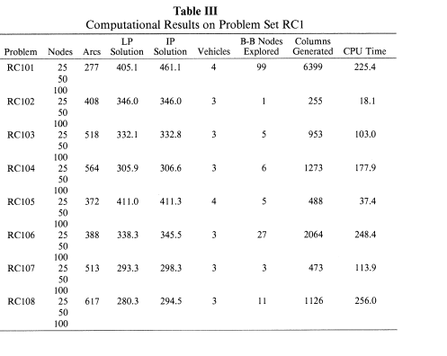

 | ARTIGO BASE
Problema | Nodes | Arcs | LP | IP | Vehicles | BB_Nodes | Columns | CPU | c | Nodes | Arcs | LP | IP | Vehicles | BB_Nodes | Columns | CPU
R101 | 25 | 227 | 617.1 | 617.1 | 8 | 1 | 78 | 5.8 | R101 | 50 | 817 | 1034.6 | 1035.2 | 12 | 11 | 1395 | 66.7
R101 | 50 | 817 | 1034.6 | 1035.2 | 12 | 11 | 1395 | 66.7 | R102 | 50 | 1437 | 904.6 | 904.6 | 11 | 1 | 591 | 67.8
R101 | 100 | 3272 | 1604.5 | 1607.7 | 18 | 23 | 8596 | 1064.2 | R103 | 50 | 1859 | 765.4 | 772.5 | 9 | 173 | 37330 | 8939.1
R102 | 25 | 404 | 546.4 | 547.1 | 7 | 3 | 165 | 20.3 | R105 | 50 | 1076 | 891.7 | 899.3 | 9 | 33 | 4458 | 362.6
R102 | 50 | 1437 | 904.6 | 904.6 | 11 | 1 | 591 | 67.8 | R106 | 50 | 1642 | 783.3 | 785.2 | 8 | 5 | 1688 | 386.4
R102 | 100 | 5336 | 1434 | 1434 | 17 | 1 | 2126 | 756.9 | R107 | 50 | 1995 | 703.2 | 711.1 | 7 | 79 | 19816 | 7362.1
R103 | 25 | 510 | 454.6 | 454.6 | 5 | 1 | 246 | 22.2 | R110 | 50 | 2026 | 692.4 | 697 | 7 | 53 | 15341 | 4906.1
R103 | 50 | 1859 | 765.4 | 772.5 | 9 | 173 | 37330 | 8939.1
R104 | 25 | 559 | 416.9 | 416.9 | 4 | 1 | 419 | 46
R105 | 25 | 303 | 526 | 530.5 | 6 | 7 | 554 | 22.6
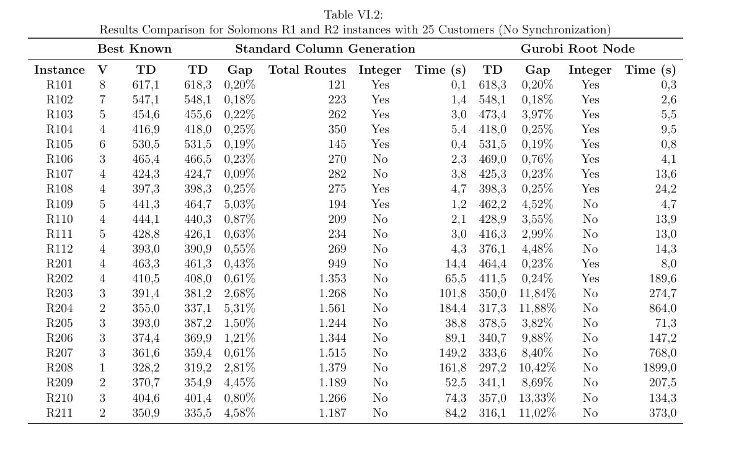
R105 | 50 | 1076 | 891.7 | 899.3 | 9 | 33 | 4458 | 362.6 |  |  |  |  | 4511 | 11 | 410.09090909
R106 | 25 | 458 | 457.3 | 467.4 | 5 | 15 | 2451 | 205.2
R106 | 50 | 1642 | 783.3 | 785.2 | 8 | 5 | 1688 | 386.4
R107 | 25 | 542 | 423 | 424.3 | 4 | 21 | 3191 | 304.1
R107 | 50 | 1995 | 703.2 | 711.1 | 7 | 79 | 19816 | 7362.1
R108 | 25 | 586 | 396.2 | 397.2 | 4 | 3 | 1041 | 307.4
R109 | 25 | 411 | 441.3 | 441.3 | 5 | 1 | 207 | 14.4
R110 | 25 | 530 | 425.4 | 429.5 | 4 | 5 | 655 | 64.3
R110 | 50 | 2026 | 692.4 | 697 | 7 | 53 | 15341 | 4906.1
R111 | 25 | 526 | 423.5 | 428.8 | 4 | 15 | 2794 | 330
R112 | 25 | 647 | 383.9 | 393 | 4 | 21 | 2643 | 623.3

C101 | 25 | 332 | 191.3 | 191.3 | 3 | 1 | 498 | 18.6 | C101 | 50 | 1217 | 362.4 | 362.4 | 5 | 1 | 870 | 67.1
C101 | 50 | 1217 | 362.4 | 362.4 | 5 | 1 | 870 | 67.1 | C102 | 50 | 1732 | 361.4 | 361.4 | 5 | 1 | 1554 | 330.2
C101 | 100 | 4515 | 827.3 | 827.3 | 10 | 1 | 3768 | 434.5 | C103 | 50 | 2165 | 361.4 | 361.4 | 4 | 1 | 1769 | 896
C102 | 25 | 473 | 190.3 | 190.3 | 3 | 1 | 534 | 79.7 | C105 | 50 | 1333 | 362.4 | 362.4 | 5 | 1 | 1142 | 99.1
C102 | 50 | 1732 | 361.4 | 361.4 | 5 | 1 | 1554 | 330.2 | C106 | 50 | 1272 | 362.4 | 362.4 | 5 | 1 | 1170 | 91.3
C102 | 100 | 6581 | 827.3 | 827.3 | 10 | 1 | 4038 | 1990.8 | C107 | 50 | 1443 | 362.4 | 362.4 | 5 | 1 | 1725 | 170.6
C103 | 25 | 569 | 190.3 | 190.3 | 3 | 1 | 447 | 134.7 | C108 | 50 | 1643 | 362.4 | 362.4 | 5 | 1 | 1605 | 245.6
C103 | 50 | 2165 | 361.4 | 361.4 | 4 | 1 | 1769 | 896
C104 | 25 | 604 | 186.9 | 186.9 | 3 | 1 | 485 | 223.9
C105 | 25 | 357 | 191.3 | 191.3 | 3 | 1 | 531 | 25.6
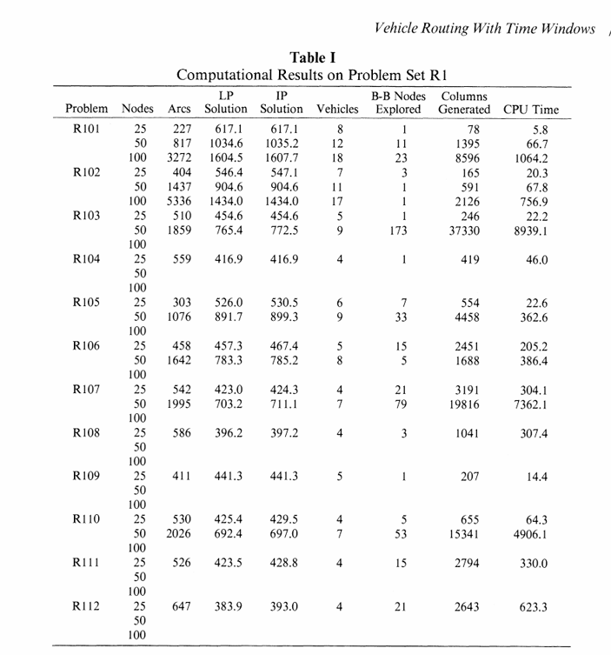
C105 | 50 | 1333 | 362.4 | 362.4 | 5 | 1 | 1142 | 99.1
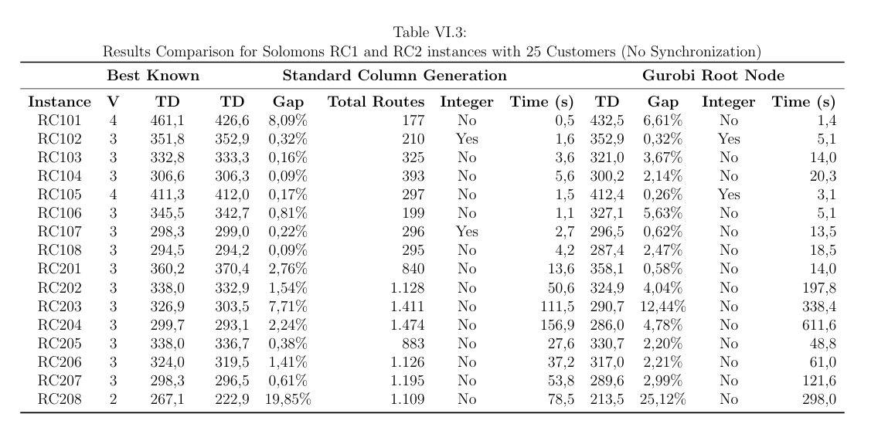
C106 | 25 | 336 | 191.3 | 191.3 | 3 | 1 | 447 | 20.7
C106 | 50 | 1272 | 362.4 | 362.4 | 5 | 1 | 1170 | 91.3
C106 | 100 | 5423 | 827.3 | 827.3 | 10 | 1 | 3681 | 724.8
C107 | 25 | 377 | 191.3 | 191.3 | 3 | 1 | 514 | 31.7
C107 | 50 | 1443 | 362.4 | 362.4 | 5 | 1 | 1725 | 170.6
C107 | 100 | 5621 | 827.3 | 827.3 | 10 | 1 | 4970 | 1010.4
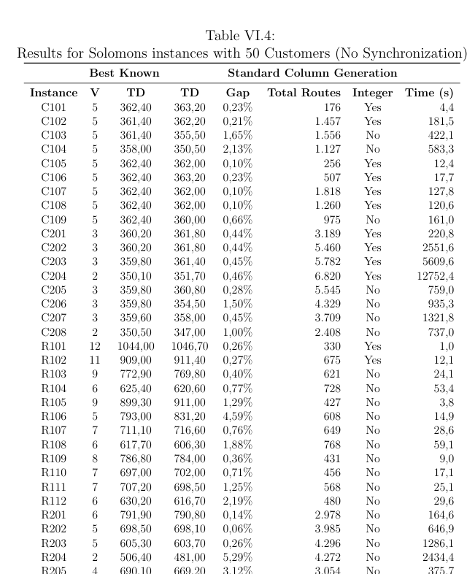
C108 | 25 | 431 | 191.3 | 191.3 | 3 | 1 | 513 | 43.1
C108 | 50 | 1643 | 362.4 | 362.4 | 5 | 1 | 1605 | 245.6
C108 | 100 | 6344 | 827.3 | 827.3 | 10 | 1 | 4989 | 1613.6
C109 | 25 | 482 | 189.4 | 191.3 | 3 | 3 | 1747 | 585.4

RC101 | 25 | 277 | 405.1 | 461.1 | 4 | 99 | 6399 | 225.4
RC102 | 25 | 408 | 346 | 346 | 3 | 1 | 255 | 18.1
RC103 | 25 | 518 | 332.1 | 332.8 | 3 | 5 | 953 | 103
RC104 | 25 | 564 | 305.9 | 306.6 | 3 | 6 | 1273 | 177.9
RC105 | 25 | 372 | 411 | 411.3 | 4 | 5 | 488 | 37.4
RC106 | 25 | 388 | 338.3 | 345.5 | 3 | 27 | 2064 | 248.4
RC107 | 25 | 513 | 293.3 | 298.3 | 3 | 3 | 473 | 113.9
RC108 | 25 | 617 | 280.3 | 294.5 | 3 | 11 | 1126 | 256
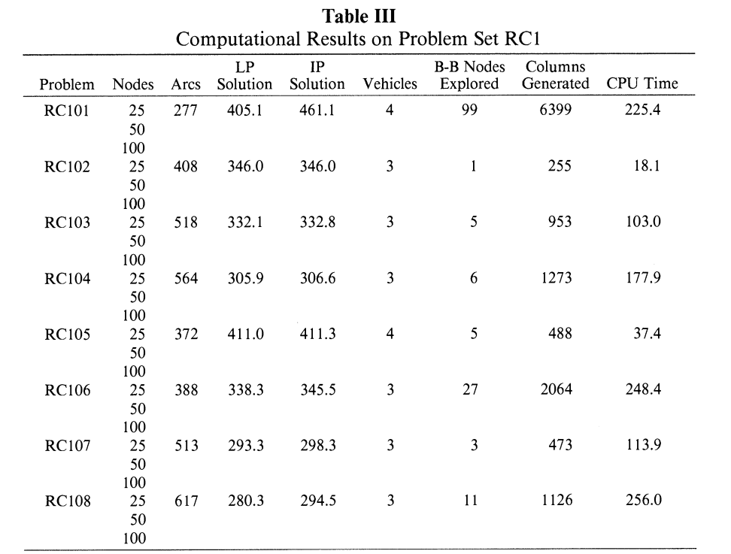

Instancia | Veiculos
 | 12 |  |  | C101-50 | 5
 | 11 |  |  | C102-50 | 5
 | 9 |  |  | C103-50 | 4
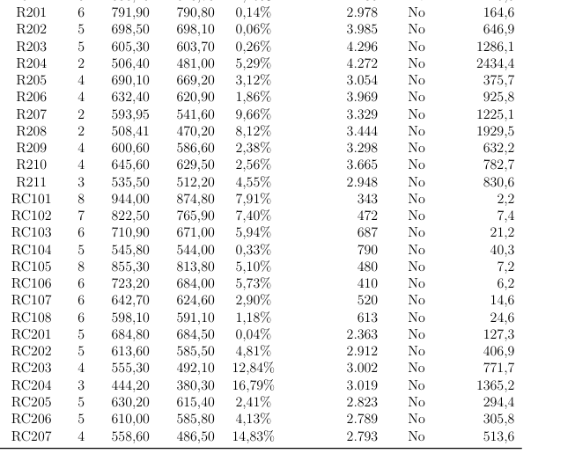
 | 9 |  |  | C105-50 | 5
 | 8 |  |  | C106-50 | 5
 | 7 |  |  | C107-50 | 5
 | 7 |  |  | C108-50 | 5
 | 5 |  |  | R101-50 | 12
 | 5 |  |  | R102-50 | 11
 | 4 |  |  | R103-50 | 9
 | 5 |  |  | R105-50 | 9
 | 5 |  |  | R106-50 | 8
 | 5 |  |  | R107-50 | 7
 | 5 |  |  | R110-50 | 7

ComparacaoComEsemMipNoFinal
Instancia | FO_sem | FO_com | Tempo_sem | Tempo_com | Ganho (-) |  | Melhoria_FO | Delta_Tempo
c201 | 290.1 | 290.1 | 3605.002 | 3637.509 | 0% |  | 0 | 1% | x | y
c202 | 321.1 | 280 | 3637.509 | 4375.8422 | 13% |  | 0.127998 | 20% | 260 | 260
c203 | 291.7 | 269 | 3607.7972 | 3675.0829 | 8% |  | 0.07782 | 2% | 330 | 330
c204 | 328.8 | 277.7 | 3618.3038 | 3885.1981 | 16% |  | 0.155414 | 7%
c205 | 274 | 272.7 | 3634.4701 | 3653.6029 | 0% |  | 0.004745 | 1%
FO_sem vs FO_com
c206 | 268.7 | 268.7 | 3661.507 | 3855.4402 | 0% |  | 0 | 5%
c207 | 266.2 | 264.2 | 3770.124 | 3673.9273 | 1% |  | 0.007513 | -3%

 | SEM MIP | tempo_bp | fo_exato | fo_bp | gap_pct | igual_exato | nos_bp | colunas_bp
tam25_cap200_tabu0_inst0_cons10 | instancias/c201,txt | 3605.2733 | 268,5325 | 278,6961 | 3.7849 | 0 | 212 | 5661
tam25_cap200_tabu0_inst0_cons10 | instancias/c202,txt | 3647.1527 | 268,8531 | 303,7789 | 12.9906 | 0 | 165 | 5613
tam25_cap200_tabu0_inst0_cons10 | instancias/c203,txt | 3715.3124 | 268,5325 | 277,1327 | 3.2026 | 0 | 40 | 5499
tam25_cap200_tabu0_inst0_cons10 | instancias/c204,txt | 3622.8786 | 268,5947 | 291,5318 | 8.5397 | 0 | 727 | 6333
tam25_cap200_tabu0_inst0_cons10 | instancias/c205,txt | 3600.2022 | 268,5325 | 281,4628 | 4.8151 | 0 | 252 | 4818
tam25_cap200_tabu0_inst0_cons10 | instancias/c206,txt | 3616.8991 | 266,5696 | 278,4903 | 4.4719 | 0 | 51 | 1425
tam25_cap200_tabu0_inst0_cons10 | instancias/c207,txt | 3632.0883 | 264,6319 | 266,7108 | 0.7856 | 0 | 59 | 2862
tam25_cap200_tabu0_inst0_cons10 | instancias/c208,txt | 3738.814 | 265,8097 | 265,8097 | 0 | 1 | 136 | 2850

